Definitions
DEFINITIONS
Bug | It refers to an error, fault or flaw in any computer program or a hardware system. A bug produces unexpected results or causes a system to behave unexpectedly. In short it is any behavior or result that a program or system gets but it was not designed to do.
Issue | In computing, the term issue is a unit of work to accomplish an improvement in a system. An issue could be a bug, a requested feature, task, missing documentation, and so forth. The word “issue” should not be misunderstood as just a synonym for “problem,” as in other English usage.
Severity | • It can be defined as the impact of the bug on the application. • It’s defined as the degree of impact a Defect has on the development or operation of a component application being tested. • It’s defined as the extent to which a defect can create an impact on the software. • It’s a parameter to denote the implication and the impact of the defect on the functionality of the software.
Severity Types | Critical: This defect indicates complete shut-down of the process, nothing can proceed further
 | Major: It is a highly severe defect and collapses the system. However, certain parts of the system remain functional
 | Medium: It causes some undesirable behavior, but the system is still functional
 | Low: It won't cause any major break-down of the system
Priority | • It’s defined as the order in which a defect should be fixed. • It can be defined as an impact of the bug on the customers business. • It gives the order in which a defect should be resolved. NOTE: Client or Developers decide which defect they should take up next based on the priority.
Priority Types | Critica (P1): Interruption making a critical functionality inaccessible or a complete network interruption causing a severe impact on services availability. There is no possible alternative.
 | Important (P2): Critical functionality or network access interrupted, degraded or unusable, having a severe impact on services availability. No acceptable alternative is possible.
 | Normal (P3): Non-critical function or procedure, unusable or hard to use having an operational impact, but with no direct impact on services availability. A workaround is available.
 | Low (P4): Application or personal procedure unusable, where a workaround is available or a repair is possible.
Priority Vs Severity | 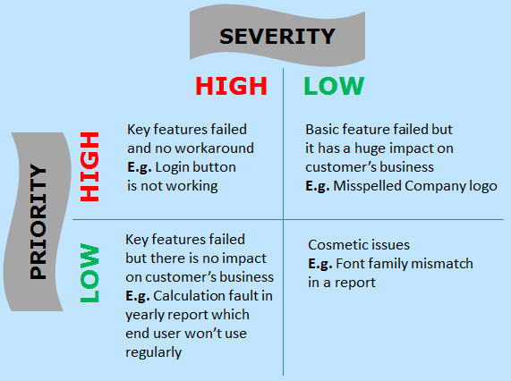

Bug Life Cycle
Defect/Bug Life Cycle in Software Testing
It's the specific set of states that a Bug goes through from discovery to defect fixation. The number of states that a defect goes through varies from project to project. Below lifecycle diagram, covers all possible states:
Status | Description | Diagram
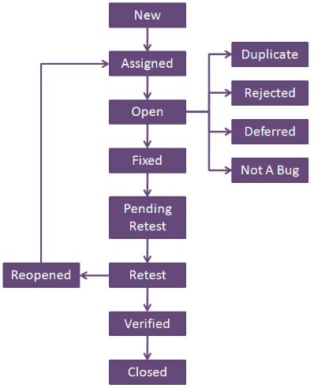
New | When a new defect is logged and posted for the first time. It is assigned a status as NEW.
Assigned | Once the bug is posted by the tester, the lead of the tester approves the bug and assigns the bug to the developer team.
Open | The developer starts analyzing and works on the defect fix.
Fixed | When a developer makes a necessary code change and verifies the change, he or she can make bug status as "Fixed."
Pending retest | Once the defect is fixed the developer gives a particular code for retesting the code to the tester. Since the software testing remains pending from the testers end, the status assigned is "pending retest."
Retest | Tester does the retesting of the code at this stage to check whether the defect is fixed by the developer or not and changes the status to "Re-test."
Verified | The tester re-tests the bug after it got fixed by the developer. If there is no bug detected in the software, then the bug is fixed and the status assigned is "verified."
Reopen | If the bug persists even after the developer has fixed the bug, the tester changes the status to "reopened". Once again the bug goes through the life cycle.
Closed | If the bug is no longer exists then tester assigns the status "Closed."
Duplicate | If the defect is repeated twice or the defect corresponds to the same concept of the bug, the status is changed to "duplicate."
Rejected | If the developer feels the defect is not a genuine defect then it changes the defect to "rejected."
Deferred | If the present bug is not of a prime priority and if it is expected to get fixed in the next release, then status "Deferred" is assigned to such bugs
Not a bug | If it does not affect the functionality of the application then the status assigned to a bug is "Not a bug".

Bug Life Cycle in Jira
Defect/Bug Life Cycle in Jira
For iTexico process will have the following status related to the bug life cycle (this process will be verified to standardize the board in jira, status and process). In jira is necessary separate the columns and status, in the diagram and definitios below the information will be separated.
Columns in Jira |  | Status in Jira |  | Diagram
Name | Description | Name | Description
To Do | The bug is created and it’s assigned to a person in the current Sprint; it has a timeline, but it is not currently being worked on. | New | When a new bug is created and assigned to Dev team. | 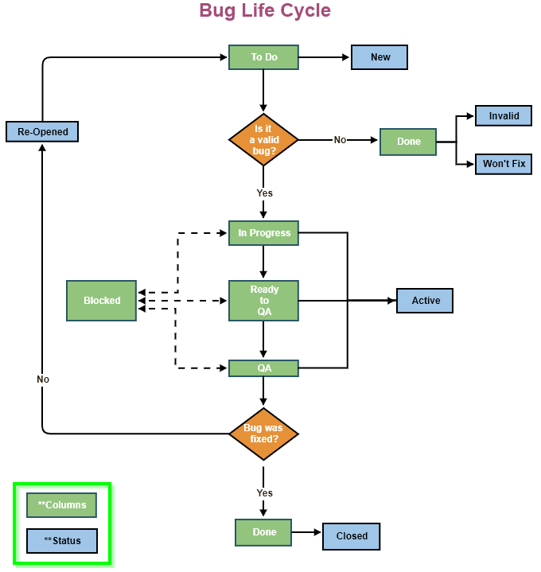
 |  | Re-Opened | If the bug persists even after the developer has fixed the bug, the tester changes the status to "Re-Opened".
Blocked | This happens when the delivery resource is not capable to advance because there is something or someone that not allow him/her to continue. | Active | The bug has been taken by the technical team for Development or testing purposes.
In Progress | The ticket is assigned to a delivery resource, is in the current Sprint and is being worked by the assignee
Ready to QA | The ticket has been completed by the Dev team and assigned this ticket to QA resource. This column works to identify what is next to be tested.
QA | The ticket is assigned to a tester and is being validated.
Done | The task is finished and has the approval from the correct entity | Invalid | Something about this bug report is invalid or it does not understand.
 |  | Won't Fix | This may be a bug, but we aren't planning to fix it for some reason (which is usually detailed in a comment).
 |  | Closed | A task that has no remaining work for the technical team

Advanced Search Bugs in Jira
Advanced Search for Bugs in Jira
In Jira we can do advanced search relate to Bugs in the section "Advanced search for Issues". The steps to open the section are the following:

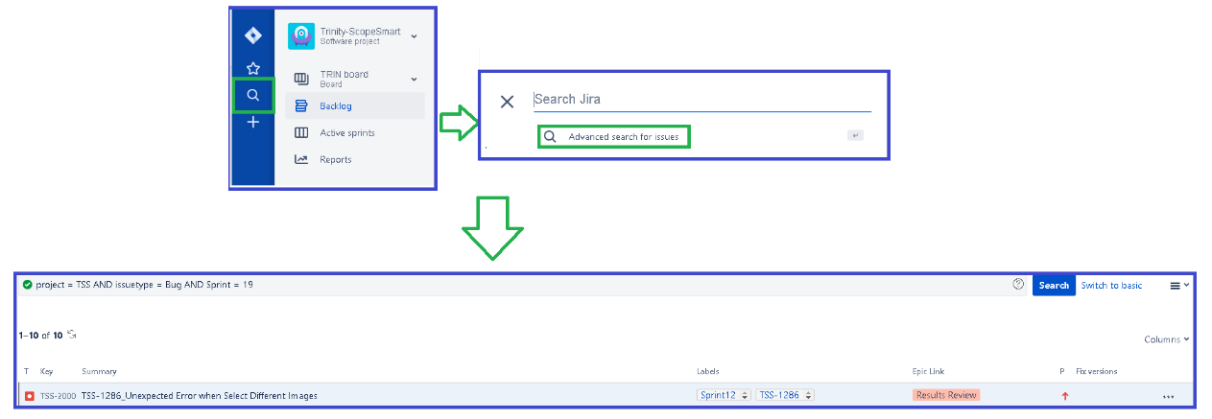 1. Click on the search icon on the left side at the top. 2. Click on the text "Advanced Search for issues". 3.- Write the query to search bugs. 4.- Click on the button "Search". Some queries mentioned in the table below:

Search Bugs Reported | Query | Comments
Per Priority *Highest *High *Medium *Low *Lowest | project = [Project Name] AND issuetype = Bug AND status = Done AND priority = [Highest Hig h Medium Low Lowest] AND updatedDate >= [Starting Date for Sprint AAAAMM- DD] AND updatedDate <=["End Date AAAA-MM-DD 23:59"]
Per Status *To Do *In Progress *To Review *Won't Fix *Done | project = [Project Name] AND issuetype = Bug AND status = ["To Do" "WON'T FIX" "DONE" "In Progress" "To Review"] ORDER BY cf[10013] ASC, status DESC
Per Day | project = [Project Name] AND issuetype = Bug AND created >= [Date AAAA-MM-DD] AND created <= ["Date AAAA-MM-DD 23:59"]
Per Sprint | project = [Project Name] AND issuetype = Bug AND Sprint = [Sprint #]
Per Story | project = [Project Name] AND type = Bug AND labels = [Story ID] | Bugs related to stories should have the label "Story ID".
Per Epic | project = [Project Name] AND issuetype = Bug AND "Epic Link" = [Epic ID] ORDER BY status ASC, key DESC

Note: the user can change the queries adding the field that he needs; example "Component", "Affect Version", etc.

Bugs Report Confluence
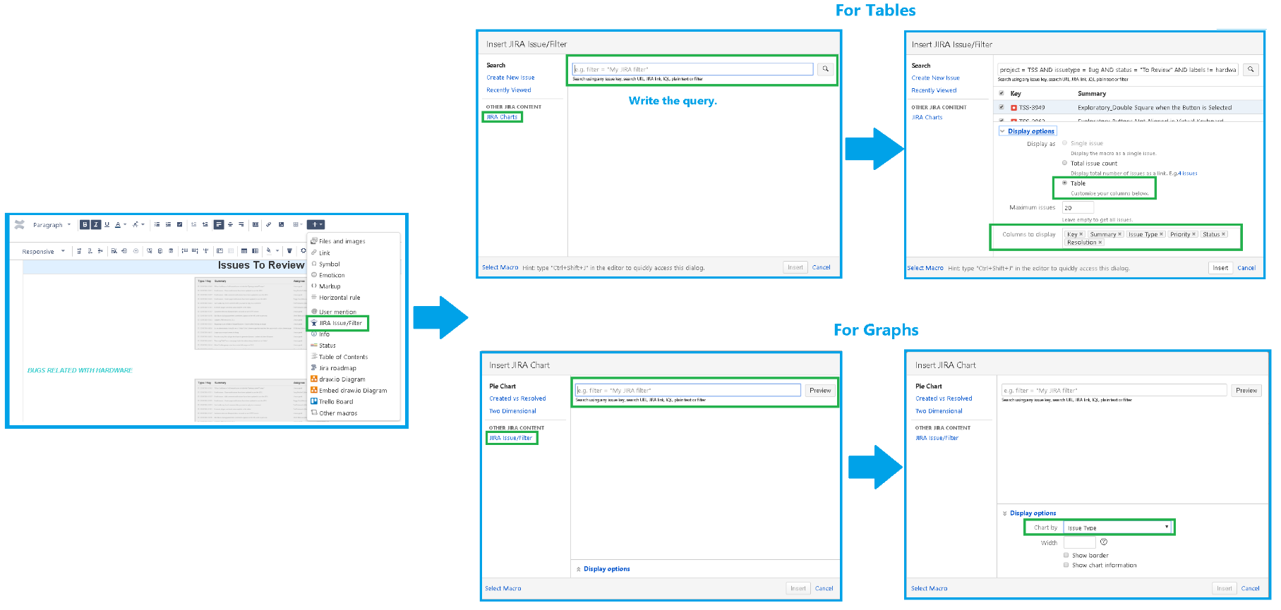
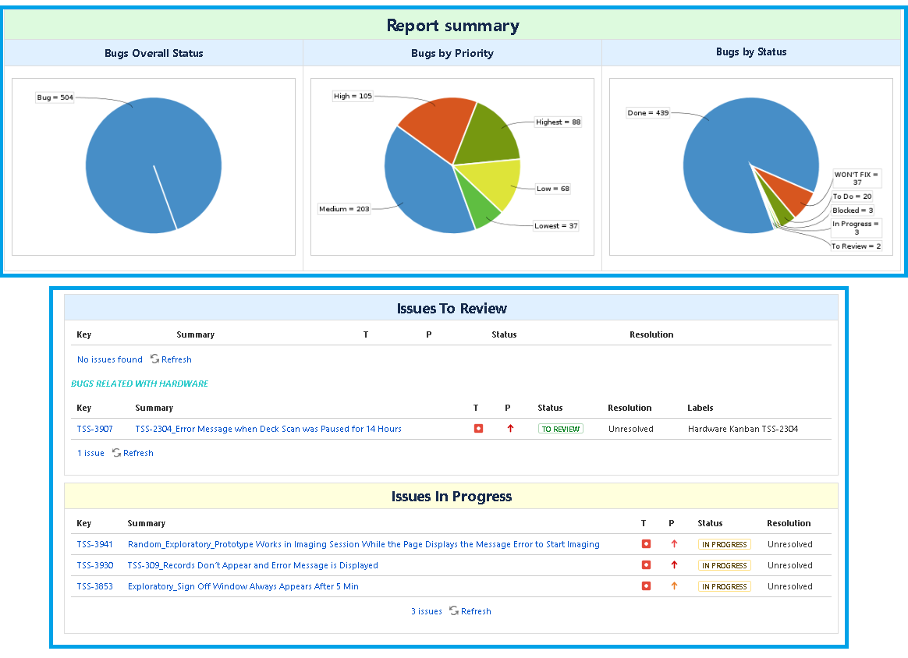
Bugs Report in Confluence
In Confluence the reports related to Bugs could have the following sections (query per section below): | How to create a report in Confluence?
*Issues to Review: project = [Project Name] AND issuetype = Bug AND status = "To Review" AND labels != hardware ORDER BY cf[10013] ASC, status DESC | **For Tables 1. Click on the option "JIRA Reports". 2. Create a new page. 3. Edit the page using the pencil icon on the right side at the top. 4. Click on the option "Insert more content". 5. Select the option "Jira Issue /Filter". 6. Write the query in the field. 7. Click on the search icon. 8. Click on the text "Display options". 9. Select the option "Table" and add the columns to display. 10. Click on the button "Insert". **For Graphs 1. Click on the option "JIRA Reports". 2. Create a new page. 3. Edit the page using the pencil icon on the right side at the top. 4. Click on the option "Insert more content". 5. Select the option "Jira Issue /Filter". 6. On the left side click on the option "JIRA Charts". 7. Write the query in the field. 8. Click on the search icon. 9. Click on the button "Insert".
*Issues in Progress project = [Project Name] AND issuetype = Bug AND status = "In Progress" ORDER BY cf[10013] ASC, status DESC
*Issues Reported Today issuetype = Bug AND created >= [Today Date YYYY-MM-DD] AND created <= "[Today Date YYYY-MM-DD] 23:59"
*Issues "To Do" project = [Project Name] AND issuetype = Bug AND status = "To Do" ORDER BY cf[10013] ASC, status DESC
*Issues Verified project = [Project Name] AND issuetype = Bug AND status = "DONE" ORDER BY cf[10013] ASC, status DESC
*Issues "Won't Fix" project = [Project Name] AND issuetype = Bug AND status = "WON'T FIX" ORDER BY cf[10013] ASC, status DESC
*Report Summary: in this section the following graphs will be created by: -All Bugs project = [Project Name] AND issuetype = Bug -Priority project = [Project Name] AND issuetype = Bug AND (status = Done OR status = "In Progress" OR status = "WON'T FIX" OR status = "To Do" or status = "To Review") ORDER BY issuetype ASC, status ASC, key ASC, summary DESC -Status project = [Project Name] AND issuetype = Bug Note: for the Priority and Status Graphs select the option in the field "Chart By" section "Display Options".

